Sheet1
BETA TEST FOR MONIEPOINT(personal)

Name: NDIFREKE MATTHEW
Account Number: 5350652296

DEFECT SHEET
Module | Defect | Test steps | Screenshot | Device
LOG IN | On the Password Recovery screen, an error prompt should be displayed when an invalid username is inputted rather than navigating to verify the phone number which the user wont get an OTP(an OTP isnt sent) | 1. launch the app 2.Tap on forgot username or password 3. Tap on forgot password 4.Enter invalid username 5. Inspect 6.click on next 7. inspect | 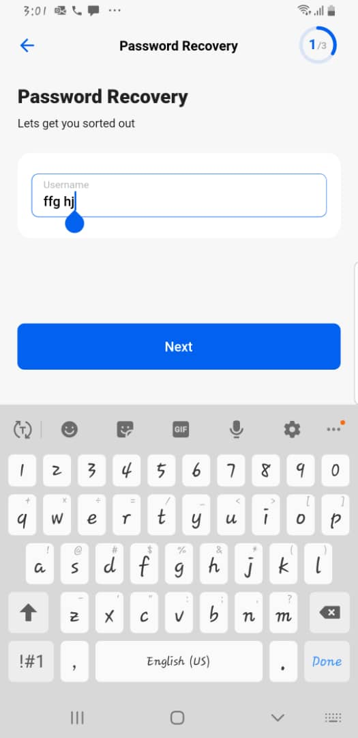 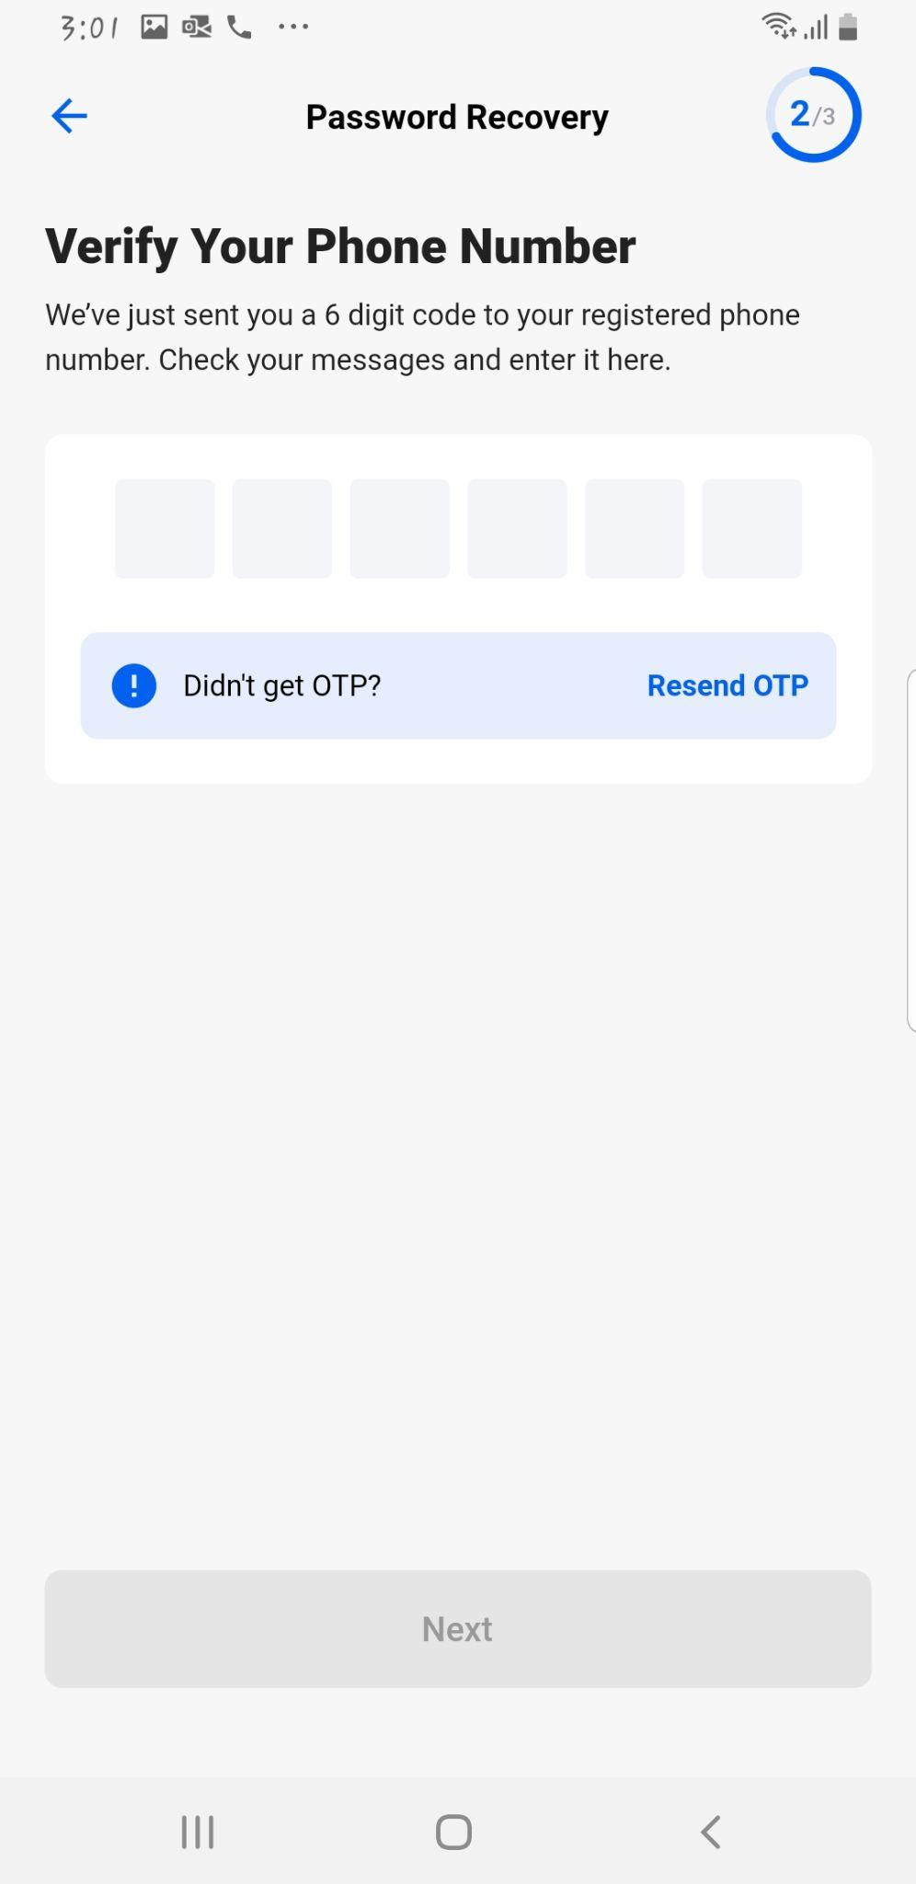 | andriod

 | B) An already registered device should not be prompted to register again |  |  | andriod

 | C) OTP by USSD isnt consistent. it drops intermittently |  |  | andriod/ios

SIGN UP | Email address is not valid' is displayed when a user inputs a valid email address. User have to close the app and relaunch | 1. Tap on sign up 2. enter email address 3. inspect | 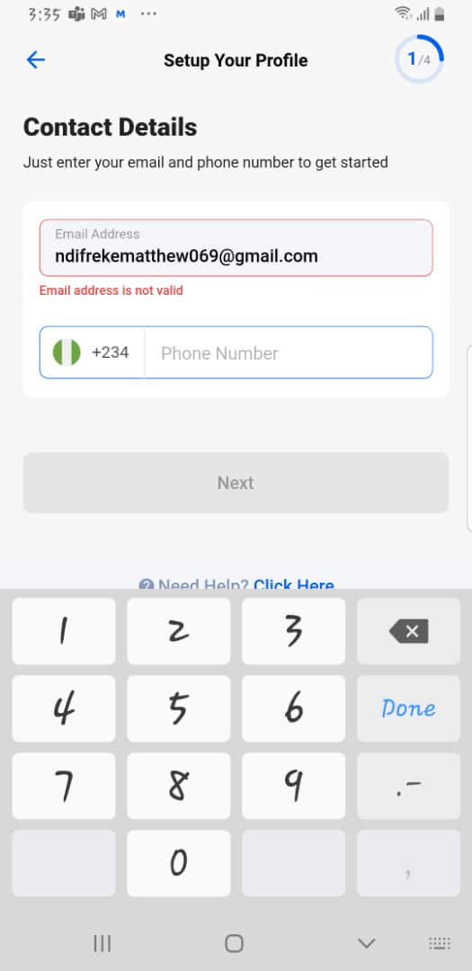 | andriod

DASHBOARD | An error message is displayed when user attempts to export statement report | 1. Login to the dashboard 2. Tap on history 3. Tap on the download 4. select statement type 5. select date range 6. select file type 7. Tap on next | 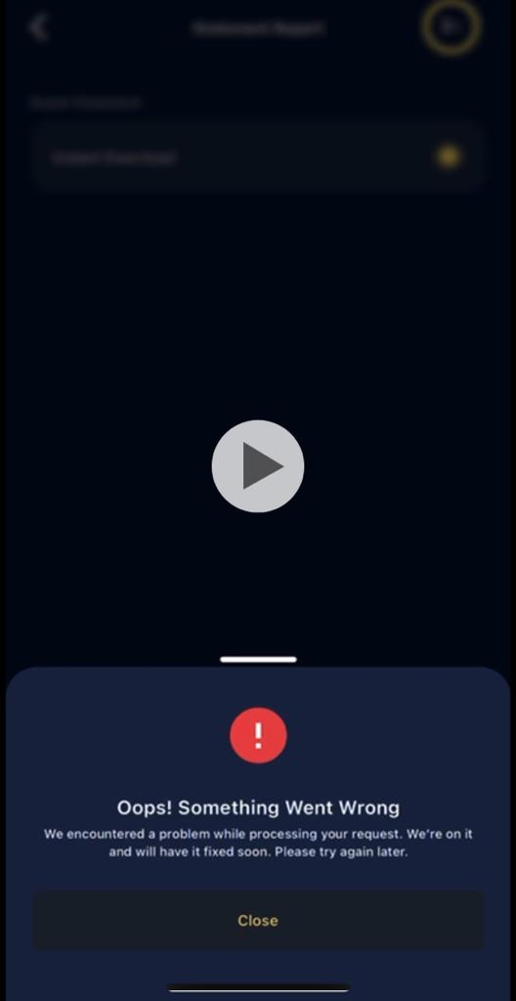 | ios

 |  |  | [

